Cover Page
Nov-22

"Use of Country PFM Systems" Review
Country: ___________________
Date completed: __________________

2. Introduction
"Use of Country PFM Systems" Review |  |  |  |  | Questions or clarifications
Introduction |  |  |  |  | Please contact:
 |  |  |  |  | Kashif Jamal
 |  |  |  |  | Specialist, FIA (CFMSI)
A. | Contextual Background |  |  |  | kashif.jamal@theglobalfund.org

 | The Global Fund 2023-2028 Strategy requires strengthening of PFM systems to drive financial performance, sustainability, and allocative and operational efficiency, with the aim of more Global Fund grants being managed through national systems.

 | The Global Fund has developed a Strategy Implementation Plan (SIP) for necessary due-diligence and baseline review for implementing the Global Fund Board's vision of progressively mainstreaming the use of country PFM systems in the Global Fund grant financial management. In this regard, a desk review on the 56 High Impact & Core Countries, currently the scope of the SIP, has been completed. As a next step, a more in-depth understanding of the current use of country PFM systems, by the Global Fund, is to be documented (Figure 1: Summary Methodology for Baseline PFM Review).

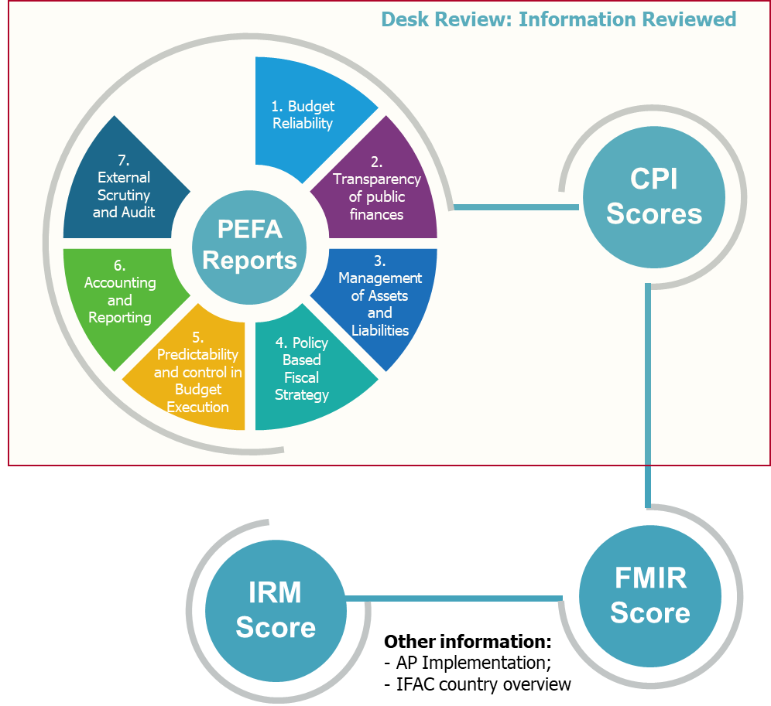
Desk Review
PEFA-40%,
CPI-10%,
FMIR-35%,
IRM-15%
1
PEFA Reports
Document strengths, weaknesses, areas for further information
2
Use Analysis and Final Scoping
Document current use of country PFM systems by GFM, develop Country Review and Engagement Plans
3
Baseline PFM Review
Review country and health sector level PFM systems, identify components for uptake and capacity building
4
Standard Areas to be assessed under the Baseline PFM Review Tool
Institutional and Regulatory Arrangements
PFM Policies and Procedures
Budget Formulation
Budget Execution and Internal Controls (residual)
Asset Management
Accounting and Reporting
Internal Audit
External Scrutiny and Audit
Treasury and Funds Flow
 | Figure 1:

B. | Objective of this Document
 | This Tool is to be completed under Step no. 3 of the methodology summarized in Figure 1. The objective of the Tool is to document the degree to which the Country PFM system's policies, processes and systems are being used by the Global Fund's implementers for the purposes of grant financial management.

C. | Roles and responsibilities

 | Section | Role Description
1 | Report | Section A of the Report is completed by the LFA based on the results of responses in tab 4 'Review Questionnaire'. Section B shall be used to record the review by the Global Fund Country Team Finance Specialist and endorsement by the respective Grant Finance Manager.
2 | Review Questionnaire | This section shall be completed by the LFA based on a desk review of relevant documents, prior knowledge and interviews. No further field work is required.
3 | De-briefing Notes | This section shall be completed by the LFA after the conduct of De-briefing session with the entities reviewed.

D. | Useful information

D.1 | Guidance
 | To facilitate completion, guidance has been included in section 4 and marked with for identification purposes. Please contact the Global Fund Focal Point indicated above (copying the respective FPM and Country Team Finance Specialist) for unresolved queries.

D.2 | Mapping with CAT Tool
 | The areas to be reviewed under this tool are aligned with the Capacity Review Tool (CRT). A mapping of the two tools is provided as follows:

 | CAT | Use of Country PFM Systems Review

 | Flow of funds arrangements | Funds Flow and Treasury Management
 | Internal controls | Budget Execution & Internal Controls | and | Internal Audit
 | Financial fraud, corruption and theft | External Scrutiny and Audit
 | Accounting and financial reporting | Financial Management Information Systems
 | Value for money | Budget Formulation
 | Auditing arrangements | External Scrutiny and Audit

D.3 | Selection of Options
 | Used | Refers to situation where "All" government specified systems and processes, in relation to the relevant PFM component, are used for Global Fund's implementer grant financial management.
 | Partially Used | Refers to situation where "One or More" government specified systems and processes, in relation to the relevant PFM component, is/are used for Global Fund's implementer grant financial management.
 | Not Used | Refers to situation where "No" government specified systems and processes, in relation to the relevant PFM component, are used for Global Fund's implementer grant financial management.
 | Not Applicable | Refers to situation where systems and functions are not deployed by the Government, and accordingly, not being applied on the Global Fund grants.

D.4 | Supporting analysis and documentation to be maintained
 |  | Minutes of meetings with PRs and Development Partners representatives.
 |  | Reports reviewed, if any, to support the conclusions.

