Sheet1
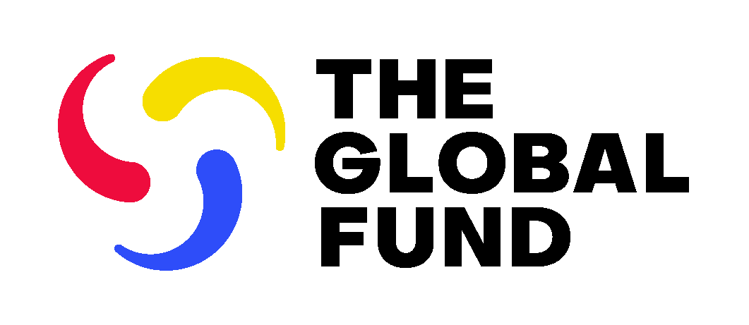

2023-2025 Matching Funds

Date Published: 17 January 2023

Country | Allocation Currency | HIV prevention: Key Populations | HIV prevention: Adolescent Girls and Young Women | HIV prevention: Pre-exposure prophylaxis | TB: Finding missing people | RSSH: Innovation Fund | RSSH: Integrated Lab Systems Strengthening | RSSH: Digital Health Impact Accelerator | Effective community systems & responses | Scaling up programs to remove human rights and gender related barriers

Bangladesh | US$ | $1,000,000 |  |  | $5,000,000 |  |  |  |  | $1,000,000
Belarus | US$ | $1,000,000
Benin | EUR | € 1,006,500 |  |  |  |  |  |  |  | € 603,900
Botswana | US$ |  |  |  |  |  |  |  |  | $750,000
Burkina Faso | EUR |  |  |  |  | € 3,019,500 |  | € 2,013,000 | € 6,039,000 | € 1,409,100
Cambodia | US$ |  |  |  | $4,000,000
Cameroon | EUR | € 2,013,000 |  |  | € 4,026,000 |  |  |  |  | € 1,107,150
Chad | EUR |  |  |  |  | € 5,032,500
Congo (Democratic Republic) | US$ |  |  |  | $4,000,000 |  |  |  |  | $2,000,000
Côte d'Ivoire | EUR |  |  |  |  |  |  |  | € 6,039,000 | € 1,509,750
Eswatini | US$ |  | $1,400,000
Ethiopia | US$ |  |  |  | $4,000,000 |  | $2,000,000 | $2,000,000 | $6,000,000
Ghana | US$ | $1,000,000 |  |  | $4,000,000 | $5,000,000 | $2,000,000 |  |  | $2,000,000
Honduras | US$ | $1,000,000 |  |  |  |  |  |  |  | $500,000
India | US$ |  |  |  | $4,000,000
Indonesia | US$ | $2,000,000 |  |  | $4,000,000 | $7,000,000 |  |  |  | $1,500,000
Jamaica | US$ | $1,000,000 |  |  |  |  |  |  |  | $900,000
Kenya | US$ |  |  | $3,000,000 | $4,000,000 |  |  |  | $6,000,000 | $2,000,000
Kyrgyzstan | US$ |  |  |  |  |  |  |  |  | $500,000
Lao (Peoples Democratic Republic) | US$ |  |  |  |  |  | $2,000,000
Lesotho | US$ |  | $1,300,000
Liberia | US$ |  |  |  |  | $2,000,000 |  |  | $3,900,000
Malawi | US$ |  |  |  |  | $8,000,000
Mali | EUR |  |  |  |  |  |  |  | € 5,435,100
Mozambique | US$ |  | $2,000,000 | $3,750,000 | $4,000,000 | $7,000,000 |  |  |  | $2,000,000
Myanmar | US$ | $2,000,000 |  |  | $4,000,000
Namibia | US$ |  | $1,300,000
Nepal | US$ |  |  |  |  |  | $2,000,000 |  |  | $550,000
Nigeria | US$ |  |  | $6,500,000 | $5,000,000 |  |  |  |  | $2,000,000
Pakistan | US$ | $1,000,000 |  |  | $4,000,000
Philippines | US$ | $1,000,000 |  |  | $4,000,000 |  |  |  |  | $750,000
Rwanda | US$ |  |  |  |  |  |  | $2,000,000
Senegal | EUR |  |  |  |  |  |  |  | € 3,824,700 | € 754,875
Sierra Leone | US$ |  |  |  |  | $9,000,000 |  |  |  | $800,000
South Africa | US$ |  |  | $5,750,000 | $4,000,000 |  |  | $2,000,000 |  | $2,000,000
South Sudan | US$ |  |  |  |  | $2,000,000
Tanzania (United Republic) | US$ |  |  |  | $4,000,000
Thailand | US$ |  |  |  |  |  |  |  |  | $1,500,000
Tunisia | US$ |  |  |  |  |  |  |  |  | $500,000
Uganda | US$ |  | $2,000,000 | $3,000,000 | $4,000,000 |  | $2,000,000 |  |  | $2,200,000
Ukraine | US$ | $2,000,000 |  |  | $4,000,000 |  |  |  |  | $2,400,000
Viet Nam | US$ |  |  |  | $4,000,000
Zambia | US$ |  |  | $3,000,000 | $4,000,000 |  |  |  | $5,400,000
Zimbabwe | US$ |  |  |  |  | $2,000,000 |  | $2,000,000

